Dashboard
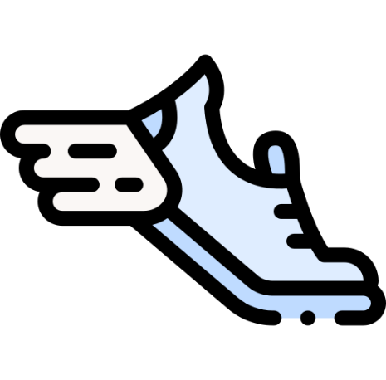
City Soul
Total Sales
113 M

Profit
42099910
7826
No. Quantity Sold
Avg. Order/Customer
14481.1
44
No. Of Customers

Profit By Order & Product
 | On shop | Online Ord
Casual | 20437050 | 1271850
Formal | 15788070 | 805740
Semi-Casual | 3514400 | 282800
Count Of Products
 | Total
Brogues Shoes | 804
Derby Shoes | 1496
Loafers | 1214
Oxford Shoes | 808
Single Monk | 2152
Sneakers | 1352
Profit Share By Products
 | Total
Brogues Shoes | 3797200
Derby Shoes | 5976900
Loafers | 5455300
Oxford Shoes | 3322510
Single Monk | 15732000
Sneakers | 7816000
Share of Catagory
 | Total
Casual | 46.91%
Formal | 42.69%
Semi-Casual | 10.40%

State Wise Sales
 | Sum of Sales Amount | Sum of Cost
Andaman and Nicobar Islands | 198200 | 125000
Andhra Pradesh | 9562870 | 6010300
Assam | 922350 | 594400
Bihar | 5878220 | 3656200
Chandigarh | 197040 | 120800
Chhattisgarh | 2132780 | 1343200
Delhi | 3336730 | 2134100
Gujarat | 6773750 | 4341200
Haryana | 4448480 | 2829800
Himachal Pradesh | 248370 | 147400
Jammu and Kashmir | 768100 | 466400
Jharkhand | 2337650 | 1510200
Karnataka | 6102030 | 3755400
Kerala | 1630040 | 980300
Madhya Pradesh | 7367070 | 4632600
Maharashtra | 10167700 | 6406500
Manipur | 268150 | 154700
Meghalaya | 249790 | 161700
Mizoram | 274600 | 178800
Nagaland | 251040 | 155100
Orissa | 2333020 | 1455600
Puducherry | 497180 | 338000
Punjab | 3862620 | 2466200
Rajasthan | 6714050 | 4023700
Sikkim | 204950 | 130100
Tamil Nadu | 7095420 | 4409700
Tripura | 232500 | 156100
Uttar Pradesh | 14162350 | 8953700
Uttarakhand | 1237880 | 793300
West Bengal | 13873780 | 8798300
Order Type
 | Total
On Shop | 107111920
Online Order | 6216790

